Severity Matrix
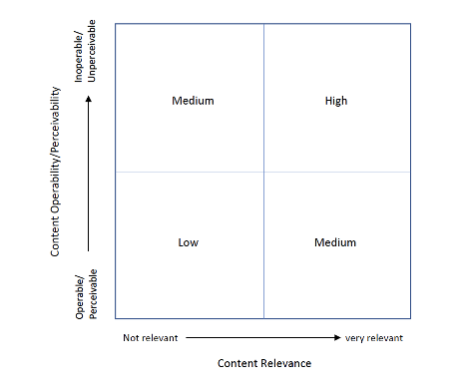

Description:
A 2 by 2 matrix that identifies the severity of accessibility issues as either “Low”, “Medium” or “High”. The vertical axis of the matrix corresponds to the range of operability and perceivability of content, with operable or perceivable content at the bottom of the axis and inoperable or perceivable content at the top. The horizontal axis corresponds to the range of relevance of content with less relevant content to the left of the axis and very relevant content to the right. The matrix is divided into 4 quadrants: the bottom, left quadrant, corresponds to issues of Low severity for content with little relevance that is operable/perceivable; the top, left quadrant corresponds to issues of Medium severity for content with little relevance that is less operable/perceivable; the bottom, right quadrant corresponds to issues of Medium severity for content with greater relevance that is operable/perceivable; the top right quadrant corresponds to issues of High severity for content with greater relevance that is less operable/perceivable.

